graphs
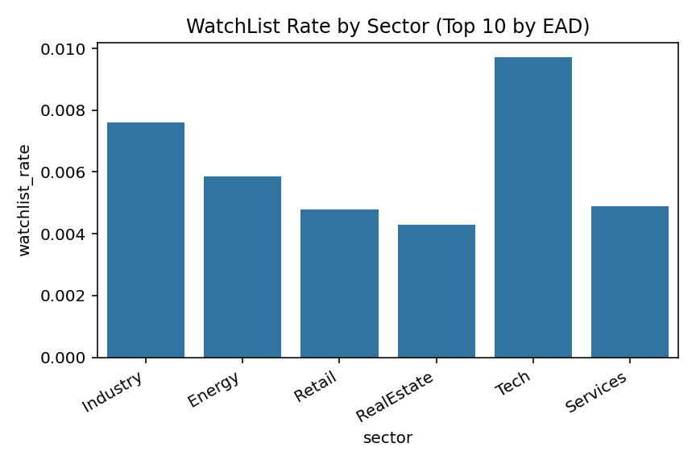
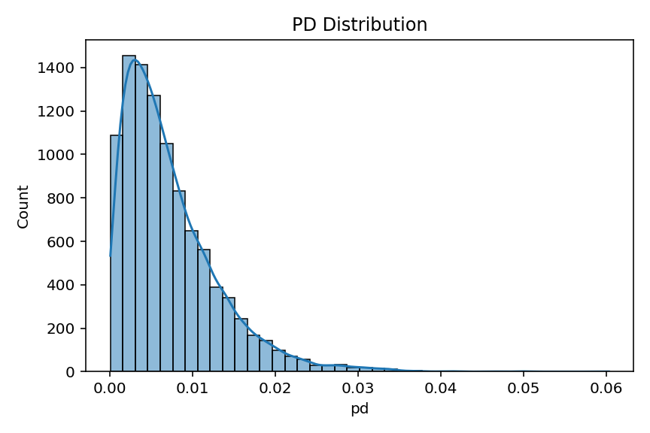
PD Distribution

Total EAD by Country (Top 10)

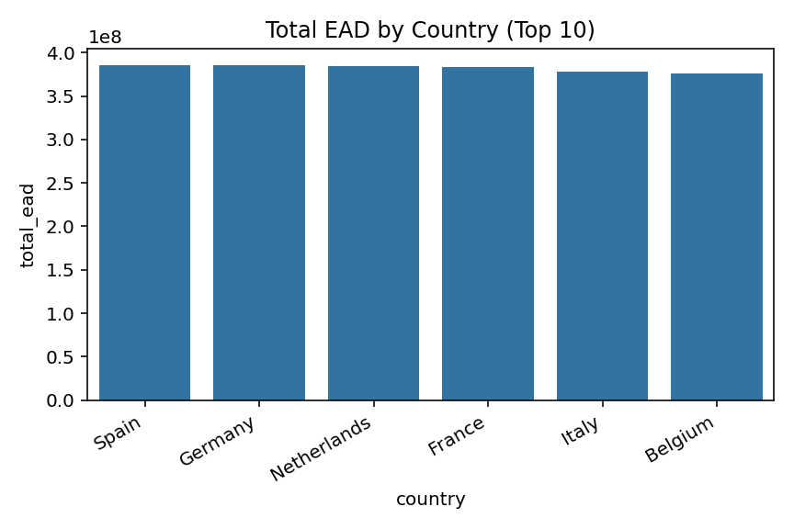

WatchList Rate by Sector (Top 10 by EAD)

